Hiearchy View
CLASS: GAS DETECTION SYSTEM
a piece of equipment that monitors the presence and accumulation of gases in a targeted area. Typical examples are carbon monoxide detectors and ammonia gas sensors installed in industrial working environments, laboratories, and many other locations. |  | 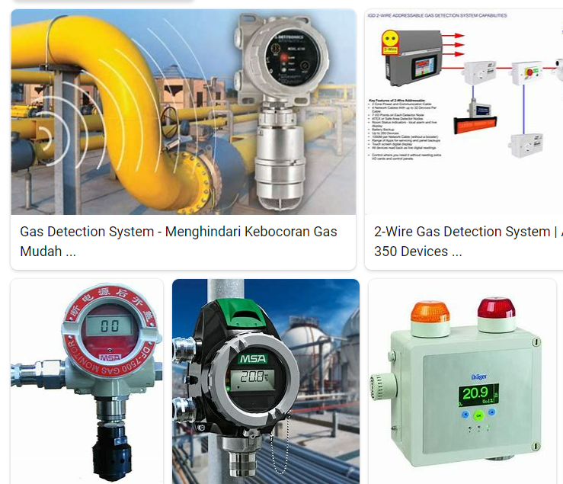
REMOVE | N |  | Class:

PROBLEM_DESC | CAUSE_DESC | REMEDY_DESC
ALARM/SENSOR
BROKEN/DAMAGED
LEAKING
OTHER PROBLEM
PESTS
POWER-ELEC
PRESSURE
SMELL
STOPPED/SLOWED/POOR OPS
TEMP-CTRL
VIBRATION
Grand Total

